Matplotlib Method-1(Func Meth)
MATPLOTLIB 'S BASIC HYPER PARAMETER (1st METHOD (FUNCTIONAL METHOD)) |  | REFERENCE

LINEAR RELATIONSHIP( x&y) (REF -->Link Attached) | EXPONENTIAL RELATIONSHIP (a &b) (REF-->Link Attached) | ⇰REFERENCE (Website)-->Google Colab Matplotlib Basics (1.1) Regarding Figure Object , Implementing Fig & Axes ,& Figure Parameters

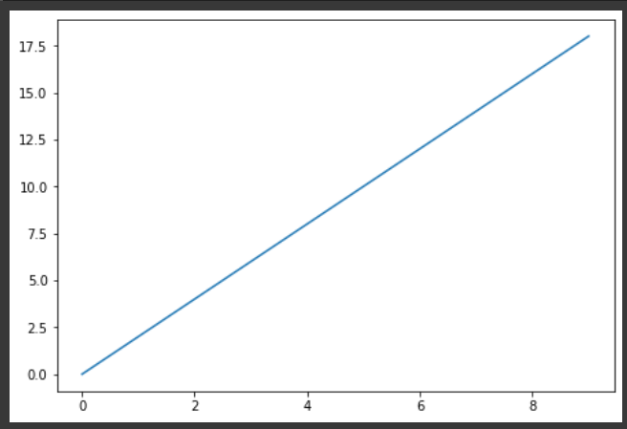 | 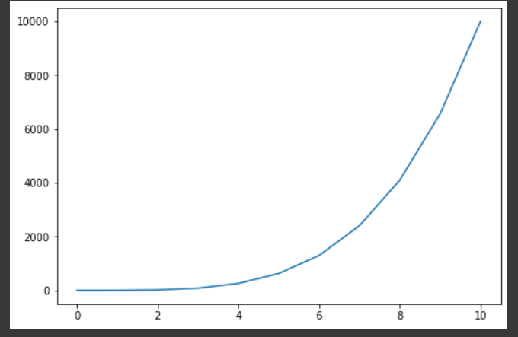

 |  | ⇰REFERENCE (Website) --> Matplotlib Regarding Matplotlib.pyplot.plot(x,y

 |  | ⇰REFERENCE (Website)-->Udemy (Matplotlib Basics Regarding all Matplotlib Basics & Parameter & Knowledge

⇰ REMEMBER YOU CAN CHECK OUT ANY HYPER PARAMS FROM THIS CONTENTS (Pl see Index in Left Side go in Subsection you want to go & Navigate Further in Line (MATPLOTLIB DASHBOARD) |  | ⇰REFERENCE (Website)--> Matplotlib Dashboarrd Regarding Matplotlib 's All Parameter Navigation)

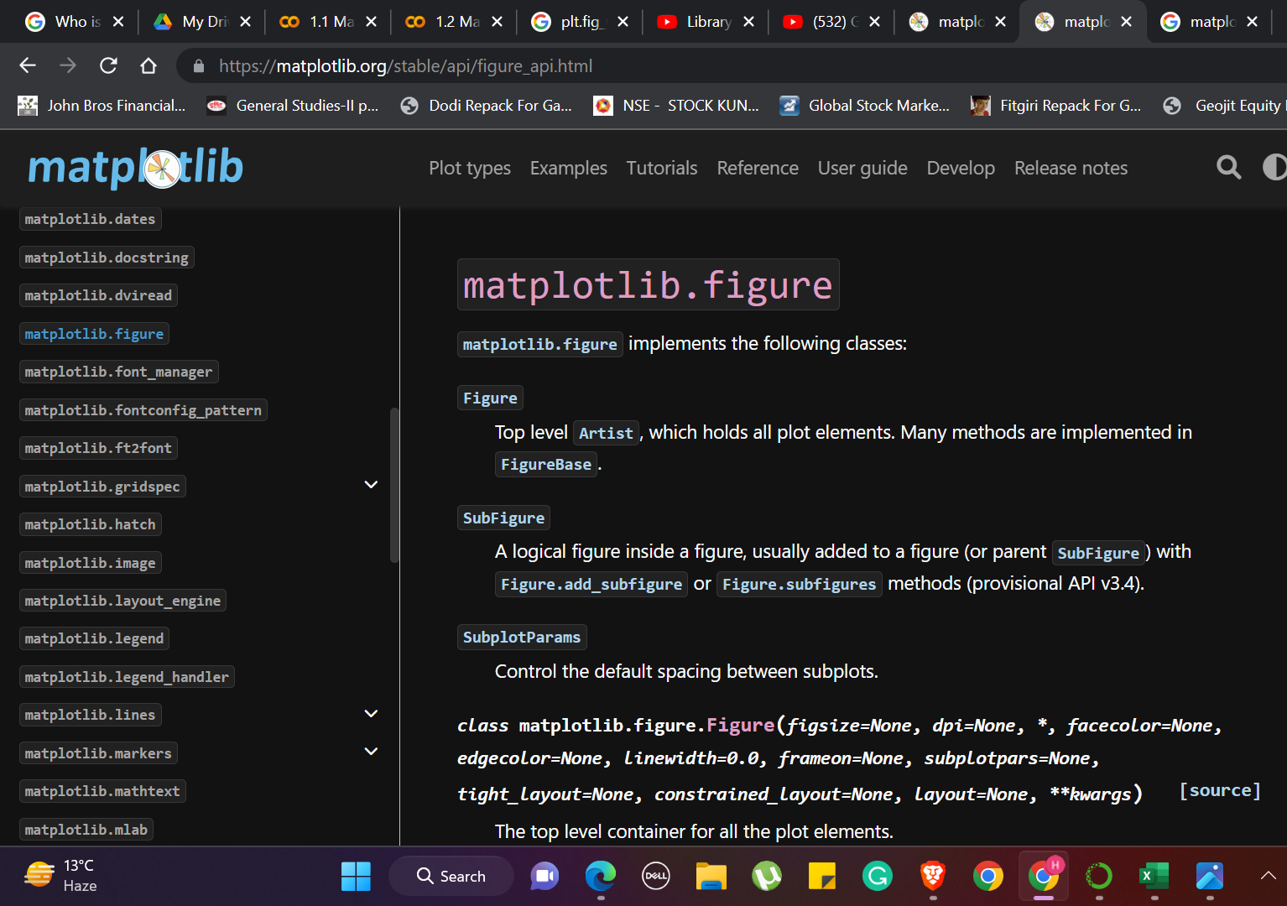
 |  | ⇰REFERENCE (Website)-->Udemy (Matplotlib Basics) Regarding All Matplotlib Basic Parameter & Knowledge

 |  | ⇰REFERENCE (Website)--> Matplotlib Dashboarrd Regarding Matplotlib 's All Parameter Navigation)

 |  | ⇰REFERENCE (Website)--> Geeks for Geeks Regarding Matplotlib Dashboard & All Parameter for Navigation Purpose

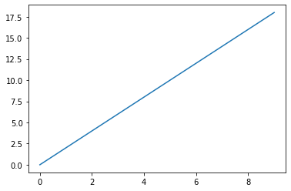 ⇰plt.plot(x,y) -→To plot x versus y, we can write plt. plot(x,y). The show() function is used to display the figure created using the plot() function.pyplot is mainly intended for interactive plots and simple cases of programmatic plot generation: |  | ⇰REFERENCE (Website)-->Geeks for Geeks Regarding Tools (plt.plot(x,y)) in Matplotlib

 |  | ⇰REFERENCE (Website)-->Google Colab (Matplotlib Basics) Regarding plt.plot(x,y)

 |  | ⇰REFERENCE(Website)-->Matplotlib Regarding plot(x,y)

 |  | ⇰REFERENCE (Website)-->w3schools Regarding Tools (plt.plot(x,y)points) in Matplotlib

⇰plt.plot(x,y,a,b) →Here We Can see Multiple (X & Y) & (A & B) Added On the same plot That is on Fig Axes(1) |  | ⇰REFERENCE (Website)-->Google Colab 1.4 Matplotlib Advanced 's Practical Implementation Regarding Multiple X & Y On the same Plot

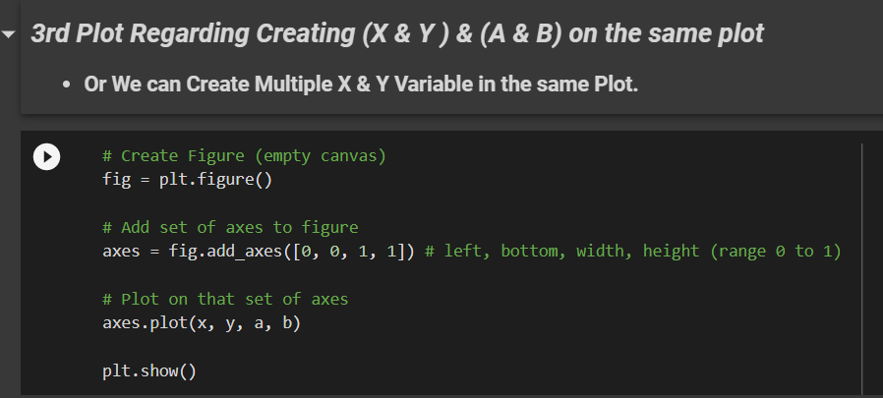 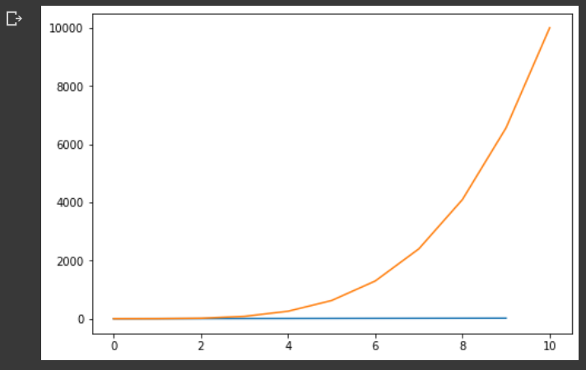 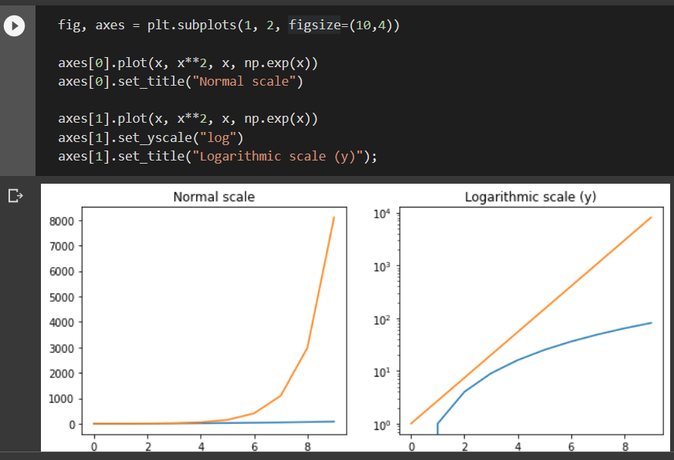

 |  | ⇰REFERENCE (Website)-->Google Colab (1.1) Matplotlib Basics Regarding Multiple X & Y (Axes) Creation in The Same Plot

 |  | ⇰REFERENCE (Website)--> Google Colab (1.1) Matplotlib Basics Regarding Multiple (X & Y) And (A & B) Creation on Simple Matplotlib plt Coding

 |  | ⇰REFERENCE (Website)-->[Google Colab Supervised learning (1.3 Polynomial Regression Regarding Usage of Param Linewidth (lw)] (Practical Implementation)

→fontdict--> |  | ⇰REFERENCE (Website)-->Educative Regarding How to set font properties for title and labels in Matplotlib

 |  | ⇰REFERENCE (Website)-->Stackoverflow Regarding How to increase plt.title font size?

 |  | ⇰REFERENCE (Website)-->W3School Regarding How to increase plt.title,plt.xlabel,plt.ylabel font size?

 |  | ⇰REFERENCE (Website)--> W3School Regarding How to Increase plt.title, plt.xlabel,plt.ylabel font size

 |  | ⇰REFERENCE (Website)-->Udemy (Matplotlib Basics) Regarding All Matplotlib Basic Parameter & Knowledge

(NOTE)DIFFERENCE IN BETWEEN (plt.xlabel , plt.ylabel,plt.title) & ((axes.set_xlabel) (axes.set_ylabel) & (axes.set_title)

This is it's going to look really similar to what we've learned about in the (Matplotlib 1st Functional Method).The main difference here is that when we're adding it to a set of axes, we say axes.set_xlabel &axes.set_ylabel & axes.set_title (If We are Plotting By OOB (Axes 2nd Method)) Otherwise If We are Plotting By Functional Method Then we use plt.xlabel & plt.ylabel) Pl Follow This Arrow For Practical Observation ⇩ |  | ⇰REFERENCE (Website)-->Matplotlib (Old) Regarding plt.xlabel

 |  | ⇰REFERENCE (Website)-->Geeks for Geeks Regarding plt.xlabel()

PRACTICAL DIFFERENCE IN BETWEEN (plt.xlabel , plt.ylabel,plt.title) & ((axes.set_xlabel) (axes.set_ylabel) & (axes.set_title)

 |  | ⇰REFERENCE (Website)-->Matplotlib (New) Regarding plt.xlabel

 |  | ⇰REFERENCE (Website)--> W3School Regarding How to Increase plt.title, plt.xlabel,plt.ylabel font size

 |  | ⇰REFERENCE (Website)-->Matplotlib Regarding axes.set.xlabel()

 |  | ⇰REFERENCE (Website)-->Matplotlib Regarding axes.set.ylabel()

 |  | ⇰REFERENCE (Website)-->Matplotlib Regarding axes.set.titlel()

 |  | ⇰REFERENCE (Website)-->Udemy (Matplotlib Basics) Regarding All Matplotlib Basic Parameter & Knowledge

All THESE PARAMETER COMES UNDER MATPLOTLIB.figure (Link Attached)

⇰plt.xlabel (xlabel, fontdict=None, labelpad=None, loc=None,) →xlabel-->The xlabel() function in pyplot module of matplotlib library is used to set or name the label for the x-axis.This parameter is the label text. And contains the string value. →fontdict-->Adds the font styles to the label →labelpad-->This helps us to set the spacing between label and the axis. |  | ⇰REFERENCE (Website)-->Geeks for Geeks Regarding Tools (plt.xlabel(x,y)) in Matplotlib

 |  | ⇰REFERENCE (Website)-->Matplotlib Regarding Tools (plt.xlabel(x,y)) in Matplotlib

⇰plt.ylabel (ylabel, fontdict=None, labelpad=None, loc=None) →ylabel-->Set the label for the y-axis or The Name of Label on y axis →fontdict-->Adds the font styles to the label →labelpad-->This helps us to set the spacing between label and the axis. |  | ⇰REFERENCE (Website)-->Geeks for Geeks Regarding Tools (plt.ylabel(x,y)) in Matplotlib

 |  | ⇰REFERENCE (Website)-->Matplotlib Regarding Tools (plt.ylabel(x,y)) in Matplotlib

⇰plt.title (label, fontdict=None, loc='center', pad=None) →label-->With Pyplot, you can use the title() function to set a title for the plot.The title() method in matplotlib module is used to specify title of the visualization depicted and displays the title using various attributes. The title() method in matplotlib module is used to specify title of the visualization depicted and displays the title using various attributes. →fontdict-->Adds the font styles to the label →labelpad-->This helps us to set the spacing between label and the axis. |  | ⇰REFERENCE (Website)-->W3School Regarding How to increase plt.title font size?

 |  | ⇰REFERENCE (Website)-->Geeks for Geeks Regarding How to increase plt.title font size?

(NOTE)DIFFERENCE IN BETWEEN (plt.xlim , plt.ylim) & ((axes.set_xlim) & axes.set_ylim))

Attached Link-->This is it's going to look really similar to what we've learned about in the (Matplotlib 1st Functional Method).The main difference here is that when we're adding it to a set of axes, we say Set_xlim & Set_ylim (If We are Plotting By OOB (Axes 2nd Method)) Otherwise If We are Plotting By Functional Method Then we use xlim & ylim) |  | ⇰REFERENCE (Website)-->Matplotlib Regarding Set_xlim usage in Respect to Limiting X values

 |  | ⇰REFERENCE (Website)-->Matplotlib Regarding Set_ylim usage in Respect to Limiting Y values

 |  | ⇰REFERENCE (Website)--> Matplotlib Regarding plt.xlim usage in Respect to X values

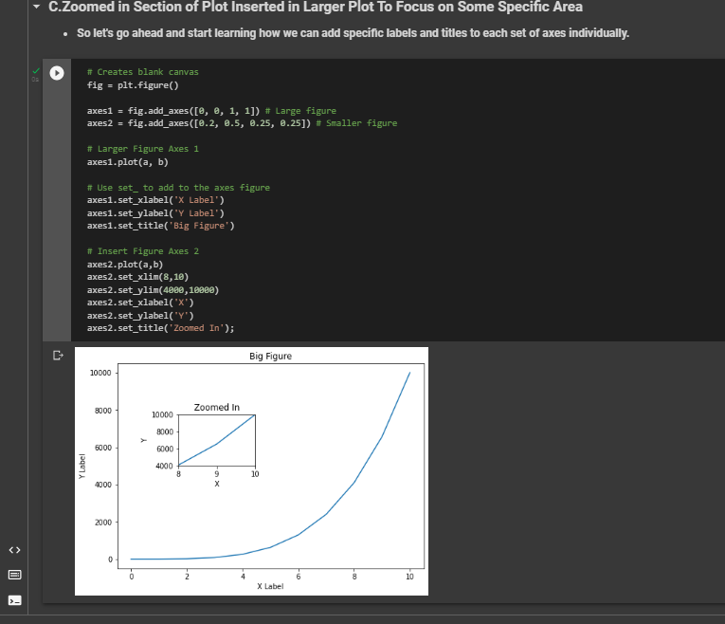 PRACTICAL DIFFERENCE IN BETWEEN (X lim , Y lim) & ((Set_xlim) & Set_ylim))
 |  | ⇰REFERENCE (Website)--> Matplotlib Regarding plt.ylim usage in Respect to Y values

 |  | ⇰REFERENCE (Website)--> Matplotlib Basics (Google Colab) Regarding plt.ylim & plt.xlim while Plotting Graph.

 |  | ⇰REFERENCE (Website)--> Matplotlib Basics (Google Colab) Regarding plt.ylim & plt.xlim while Plotting Graph.

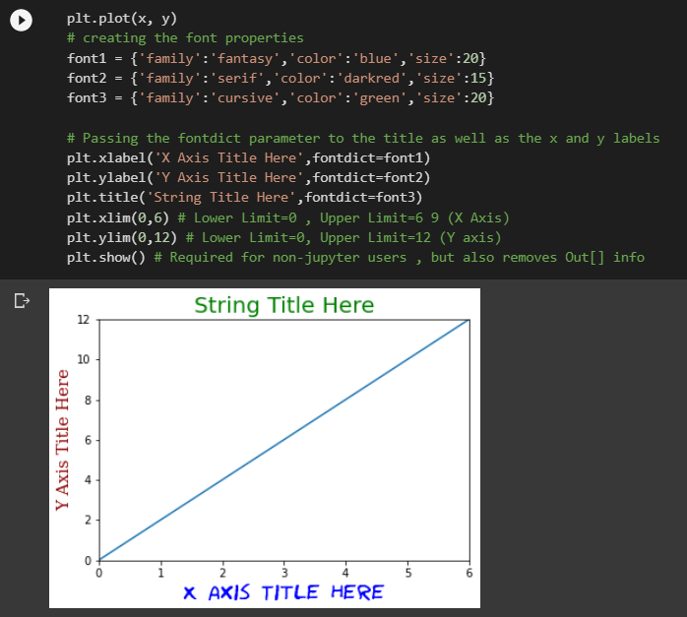
 |  | ⇰REFERENCE (Website)--> Matplotlib Basics (Google Colab) Regarding axes.set_ylim & axes.set_xlim while Plotting Graph.

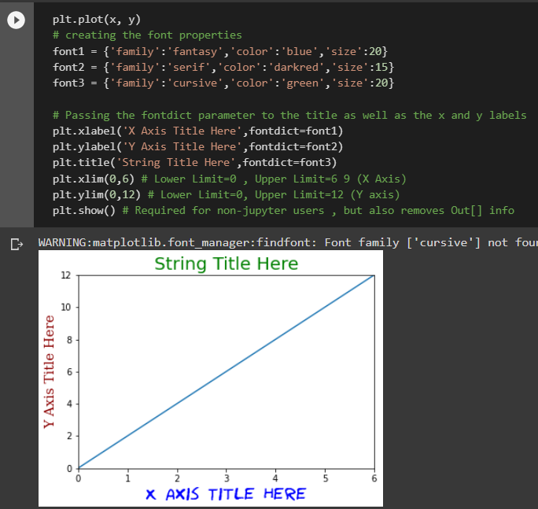 ⇰plt.xlim →Get or set the x limits of the current axes in FunctionalMethod. The xlim() function in pyplot module of matplotlib library is used to get or set the x-limits of the current axes if we are setting X limit By First Method of Matplotlib Pyplot Creation That is Functional Method →The xlim() function in pyplot module of matplotlib library is used to get or set the x-limits of the current axes. |  | ⇰REFERENCE (Website)-->Geeks for Geeks Regarding xlim (Upper limit & Lower Limit) (Setting Limits on X axis)

 |  | ⇰REFERENCE (Website)-->Matplotlib Regarding xlim (Matplotlib) (Setting Limits on X axis)

 |  | ⇰REFERENCE (Website)-->Udemy (Matplotlib Basics) Regarding All Matplotlib Basic Parameter & Knowledge

⇰plt.ylim →Get or set the y-limits of the current axes in Functional Method. Basically in Other word The ylim() function in pyplot module of matplotlib library is used to get or set the y-limits of the current axes. |  | ⇰REFERENCE (Website)-->Geeks for Geeks Regarding ylim (Upper Limit & Lower Limit) on y axis.

 |  | ⇰REFERENCE (Website)--> Matplotlib Regarding Setting ylim on y axis (Lower axis & Upper axis

 |  | ⇰REFERENCE (Website)-->Udemy (Matplotlib Basics) Regarding All Matplotlib Basic Parameter & Knowledge

⇰plt.show or ; |  | ⇰REFERENCE (Website)-->Udemy (Matplotlib Basics) Regarding usage & Benefit of plt.show() or Semicolon(;)

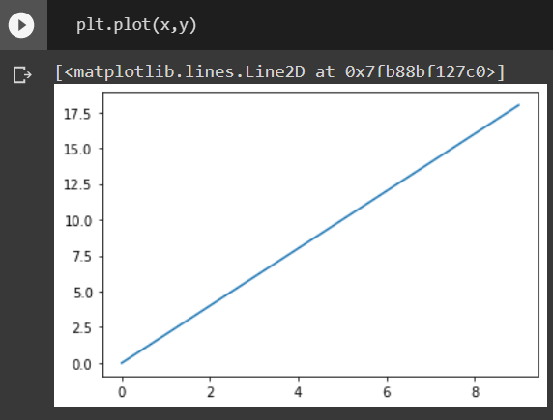 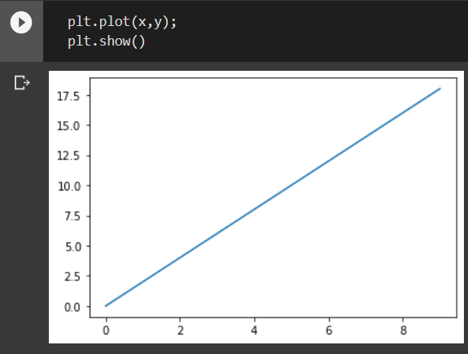

 |  | ⇰REFERENCE (Website)-->Stackoverflow Regarding Usage & Benefit of plt.show() or Semicolon (;)

→While Paying Attention we can see that while removing plt.show() we get this output matplotlib.lines.Line2D at 0*7fb88bf127c0>1 However plt.show() added I will get only Plotting Visualization .So really common question is what's actually going on here?

❶ Well it is actually doing two things First one is If we don't press plt.show() commands It's returning this array of matplotlib align to the object at this location and memory and it's rendering a visualization. Basically in Simpler Word the way it works internally is it shows you both the actual object that's being returned at what location in your computer's memory and the rendering of the visualization itself.So in order to only see the rendering of the visualization, you can either add plt to show or for notebook users that can add a semicolon (;) which basically says, just show me the visualization itself.It's kind of up to you whether or not you mind seeing this output of the object.It's just reporting the object type.In this case, it's quite clearly a 2D line object matplotlib.lines.Line2D And then it's this at 0*7fb88bf127c0>1 location in your computer's memory. |  | ⇰REFERENCE (Website)-->Udemy (Matplotlib Basics) Regarding All Matplotlib Basic Parameter & Knowledge

Matplotlib Method-2(OOB)
MATPLOTLIB BASIC HYPER PARAMETER (2nd METHOD (OOP) OBJECT ORIENTED PROGRAMMING) | REFERENCE

⇰ REMEMBER YOU CAN CHECK OUT ANY HYPER PARAMS FROM THIS CONTENTS (Pl see Index in Left Side go in Subsection you want to go & Navigate Further in Line (MATPLOTLIB DASHBOARD) | ⇰REFERENCE (Website)--> Matplotlib Dashboarrd Regardin Matplotlib 's All Parameter Navigation)

 | ⇰REFERENCE (Website)-->Google Colab Matplotlib Basics (1.1) Regarding Figure Object , Implementing Fig & Axes ,& Figure Parameters

 | ⇰REFERENCE (Website)-->Udemy Video Regarding Matplotlib Basics

 | ⇰REFERENCE (Website)-->Udemy Video Regarding Understanding Figure Object

 | ⇰REFERENCE (Website)-->Udemy Video Regarding Implementing Figures & Axes

 | ⇰REFERENCE (Website)-->Udemy Video Regarding Figures Parameters

⇰plt.figure() →The moment you call figure you're going to get a blank canvas created here, we're displaying this blank canvas as just this gray box with a empty white space.But keep in mind, like I mentioned, this is technically just completely white.You wouldn't actually be able to see anything.And so upon calling that figure, you create this figure object and the default size is 432 pixels by 288 pixels.And then it'll also mention that it has zero sets of axes.So right now you just have this blank canvas.And the reason for creating this figure object in general is now you can edit very high level attributes and properties that would affect your entire figure. | ⇰REFERENCE (Website)-->Matplotlib Regarding plt.fig

 | ⇰REFERENCE (Website)-->Geeks for Geeks Regarding plt.fig

 | ⇰REFERENCE (Website)-->Stackoverflow Regarding plt.fig

 | ⇰REFERENCE (Website)-->Google Colab (Matplotlib Basics , Functional & OOB Method)) Regarding plt.fig

⇰dpi (Dots per Inch) →Without Using dpi(params) We see blurry Graph here and We can fix that by editing the DPI or dots per inch.And so what we can do here set it to something much higher than the default, something like 100 and eventually we'll see that it starts to get more and more clear.So if you set this super high, maybe like 200, you'll notice that now it's extremely clear.So that's how you can deal with that is just the DPI setting.Don't set it too high, otherwise it'll take up a lot of RAM to render something with such high resolution on your notebook. → (To Sum it Up) This method returns resolution in dots per inch Higher the Dpi Higher The Resolution Higher The Clarity . Ex -->Pl see Image First One is Hazy But 2nd One With Higher DPI With Higher Resolution is Getting Clear Image. | ⇰REFERENCE (Website)--> Google Colab Matplotlib Basics , Functional & OOB Method) Regarding Params dpi (Dots per Inch)

 | ⇰REFERENCE (Website)--> Udemy (Matplotlib) Regarding Figures 's (DPI) Parameter

 | ⇰REFERENCE (Website)-->Geeks for Geeks (Matplotlib) Regarding Parameter (dpi)

 | ⇰REFERENCE (Website)-->Udemy Video Regarding Matplotlib Basics

 | ⇰REFERENCE (Website)-->Udemy Video Regarding Understanding Figure Object

 | ⇰REFERENCE (Website)-->Udemy Video Regarding Implementing Figures & Axes

 | ⇰REFERENCE (Website)-->Udemy Video Regarding Figures Parameters
Fig size() COMES UNDER MATPLOTLIB.figure (Link Attached)

DEFAULT BEST FIGSIZE FROM MY EXP IS (10,3) Attached Link From Colab 1.1 Matplotlib Basic( Regarding Figsize)

⇰Figsize() →It's Very common to edit is the figure size, which is essentially in inches the x and Y parameters here.So you can set this to something like 12 by eight and it will start stretching this out.Or if you want to make something, for instance, very tall, you can say one by eight, which is probably not super useful, and you probably find a good balance maybe for this particular plot if we want to stretch it out a bit like 10 to 3 ratio here and we can see that set up here. And again, it's going to be ten inches by three inches. →The figsize attribute is a parameter of the function figure(). It is an optional attribute, by default the figure has the dimensions as (6.4, 4.8). This is a standard plot where the attribute is not mentioned in the function. Normally each unit inch is of 80 x 80 pixels. EX is Given Dimension is in Varying Size pl see below One is Tall Another one is Very high in terms of width | ⇰REFERENCE (Website)--> Google Colab Matplotlib Basics , Functional & OOB Method) Regarding Figsize() (Matplotlib Basics Parameter)

 | ⇰REFERENCE (Website)--> Udemy (Matplotlib) Regarding Figsize Parameter

 | ⇰REFERENCE (Website)--> Geeks for Geeks Regarding Matplotlib (Figsize Parameter)

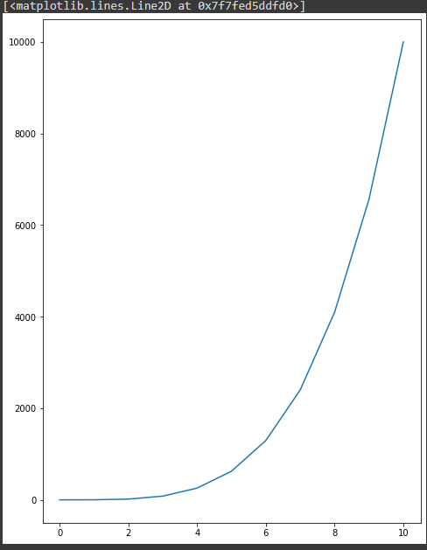  | ⇰REFERENCE (Website)-->Udemy Video Regarding Matplotlib Basics

 | ⇰REFERENCE (Website)-->Udemy Video Regarding Understanding Figure Object

 | ⇰REFERENCE (Website)-->Udemy Video Regarding Implementing Figures & Axes

 | ⇰REFERENCE (Website)-->Udemy Video Regarding Figures Parameters

Axes Based Params Comes Under Matplotlib.Axes (Link Attached)

⇰axes.fig_add_axes([0 , 0 , 1, 1 ]) | ⇰REFERENCE (Website)-->Udemy (Matplotlib (Understanding Fig &Axes Regarding axes.fig_add_axes([0,0,1,1)]

→The next step is to add a set of axes to actually plot on, to actually make this happen. What we have to do is say some variable call like fig is equal to the figure object. And then we're going to take that figure object and call the add axes method on it. And keep in mind, you can add as many axes as you want to a figure here, we're just showing adding one set of axes.And so once you add that set of axes, you'll notice you suddenly get this axes showing up on top of your figure.

 | ⇰REFERENCE (Website)-->Google Colab (Matplotlib (Function & OOB Method Regarding axes.fig_add_axes([0,0,1,1)]

→([0.5 ,0.5,1,1 ])

As we can see This are the Four Key Parameters in while adding axes ❶ ([0,0])-->Here Basically means X & Y bottom left hand Corner in Regards to Figure Canvas. So, for example, if you wanted for some reason your axes to start kind of right in the middle of the figure, you could say 0.5 by 0.5 as your X, Y. ❷([1,1])-->And then the second ones here shown one one are the width and height of the overall set of axes.second set of parameters, which is the width and height of the axes.So in this case, I'm saying that my bottom left corner should be at (0.5 ,0.5), and then my width and my height will be one one (1,1), which means take up 100% of both the width and height of the figure. | ⇰REFERENCE (Website)-->Udemy (Matplotlib Implementing Figure & Axes)

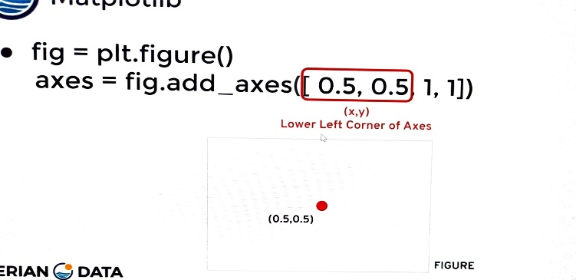 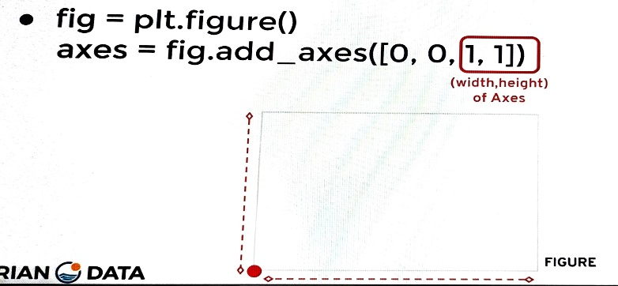

⇰axes.plot(X,Y) →Plot y versus x as lines and/or markers. | ⇰REFERENCE(Website)--> Matplotlib Regarding axes.plot(X,y)

⇰plt.plot(x,y,a,b) →Here We Can see Multiple (X & Y) & (A & B) Added On the same plot That is on Fig Axes(1) | ⇰REFERENCE (Website)-->Google Colab 1.4 Matplotlib Advanced 's Practical Implementation Regarding Multiple X & Y On the same Plot

 | ⇰REFERENCE (Website)-->Google Colab (1.1) Matplotlib Basics Regarding Multiple X & Y (Axes) Creation in The Same Plot

 | ⇰REFERENCE (Website)--> Google Colab (1.1) Matplotlib Basics Regarding Multiple (X & Y) And (A & B) Creation on Simple Matplotlib plt Coding

 | ⇰REFERENCE (Website)-->[Google Colab Supervised learning (1.3 Polynomial Regression Regarding Usage of Param Linewidth (lw)] (Practical Implementation)

(NOTE)DIFFERENCE IN BETWEEN (plt.xlim , plt.ylim) & ((axes.set_xlim) & axes.set_ylim))

This is it's going to look really similar to what we've learned about in the (Matplotlib 1st Functional Method).The main difference here is that when we're adding it to a set of axes, we say Set_xlim & Set_ylim (If We are Plotting By OOB (Axes 2nd Method)) Otherwise If We are Plotting By Functional Method Then we use xlim & ylim) | ⇰REFERENCE (Website)-->Matplotlib Regarding axes.set.xlabel()

 | ⇰REFERENCE (Website)-->Matplotlib Regarding axes.set.ylabel()

 | ⇰REFERENCE (Website)-->Matplotlib Regarding axes.set.titlel()

Attached (Link)-->PRACTICAL DIFFERENCE IN BETWEEN (X lim , Y lim) & ((Set_xlim) & Set_ylim))

 | ⇰REFERENCE (Website)-->Matplotlib Regarding Set_xlim usage in Respect to Limiting X values
⇰axes.set_xlim(xlabel, fontdict=None, labelpad=None, *, loc=None) The Axes. set_xlabel() function in axes module of matplotlib library is used to set the label for the x-axis at Axes Accordingly When Plot is Created with (Fig ,axes) method(OOB 2nd Method )axes Level . (Pl check Attached Link Above)

⇰axes.set_ylim(self, xlabel, fontdict=None, labelpad=None) The Axes. set_xlabel() function in axes module of matplotlib library is used to set the label for the y-axis at Axes Accordingly When Plot is Created with (Fig,axes) method By OOB 2nd Method axes Level . (Pl check Attached Link Above) | ⇰REFERENCE (Website)-->Matplotlib Regarding Set_ylim usage in Respect to Limiting Y values

(NOTE)DIFFERENCE IN BETWEEN (plt.xlabel , plt.ylabel,plt.title) & ((axes.set_xlabel) (axes.set_ylabel) & (axes.set_title) | ⇰REFERENCE (Website)-->Matplotlib (Old) Regarding plt.xlabel

This is it's going to look really similar to what we've learned about in the (Matplotlib 1st Functional Method).The main difference here is that when we're adding it to a set of axes, we say axes.set_xlabel &axes.set_ylabel & axes.set_title (If We are Plotting By OOB (Axes 2nd Method)) Otherwise If We are Plotting By Functional Method Then we use plt.xlabel & plt.ylabel) Pl Follow This Arrow For Practical Observation ⇩
 | ⇰REFERENCE (Website)--> W3School Regarding How to Increase plt.title, plt.xlabel,plt.ylabel ,font size

Attached Link-->PRACTICAL DIFFERENCE IN BETWEEN (plt.xlabel , plt.ylabel,plt.title) & ((axes.set_xlabel) (axes.set_ylabel) & (axes.set_title)

⇰fontdict(Param) | ⇰REFERENCE (Website)--> W3School Regarding How to Increase plt.title, plt.xlabel,plt.ylabel ,font size

 | ⇰REFERENCE (Website)-->Educative Regarding How to set font properties for title and labels in Matplotlib

 | ⇰REFERENCE (Website)-->Stackoverflow Regarding How to increase plt.title , font size?

⇰axes.set_title (self, xlabel, fontdict=None, labelpad=None) The Axes.set_title() function in axes module of matplotlib library is used to set a title for the axes.

 | ⇰REFERENCE (Website)-->W3School Regarding How to increase plt.title,plt.xlabel,plt.ylabel font size?

⇰axes.set_xlabel (self, xlabel, fontdict=None, labelpad=None) Set the label for the x-axis for the axes .
 | ⇰REFERENCE (Website)--> W3School Regarding How to Increase plt.title, plt.xlabel,plt.ylabel , font size

⇰axes.set_ylabel (self, xlabel, fontdict=None, labelpad=None) Set the Label for the y-Axis for the axes.

 | ⇰REFERENCE (Website)-->Matplotlib Regarding axes.set.xlabel()
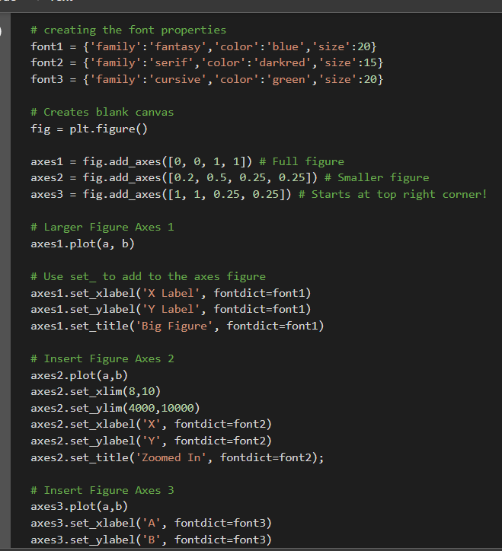 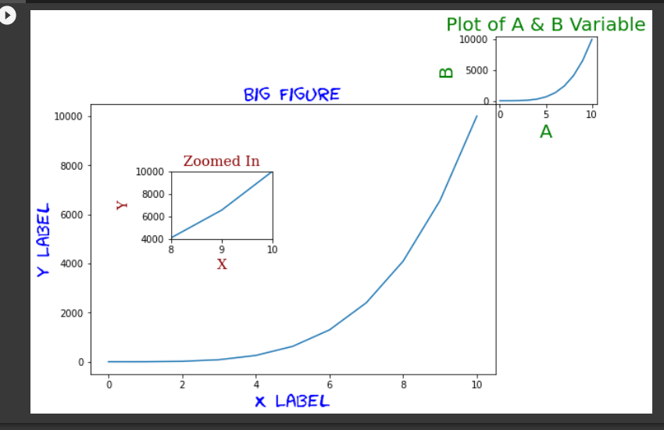

 | ⇰REFERENCE (Website)-->Matplotlib Regarding axes.set.ylabel()

 | ⇰REFERENCE (Website)-->Matplotlib Regarding axes.set.titlel()

 | ⇰REFERENCE (Website)-->Google Colab (Matplotlib Basics (Functional & OOB ) Regarding axes's all Parameter

 | ⇰REFERENCE (Website)-->Udemy Video Regarding Matplotlib Basics

 | ⇰REFERENCE (Website)-->Udemy Video Regarding Understanding Figure Object

 | ⇰REFERENCE (Website)-->Udemy Video Regarding Implementing Figures & Axes

 | ⇰REFERENCE (Website)-->Udemy Video Regarding Figures Parameters

Exporting &Param for Save Fig()
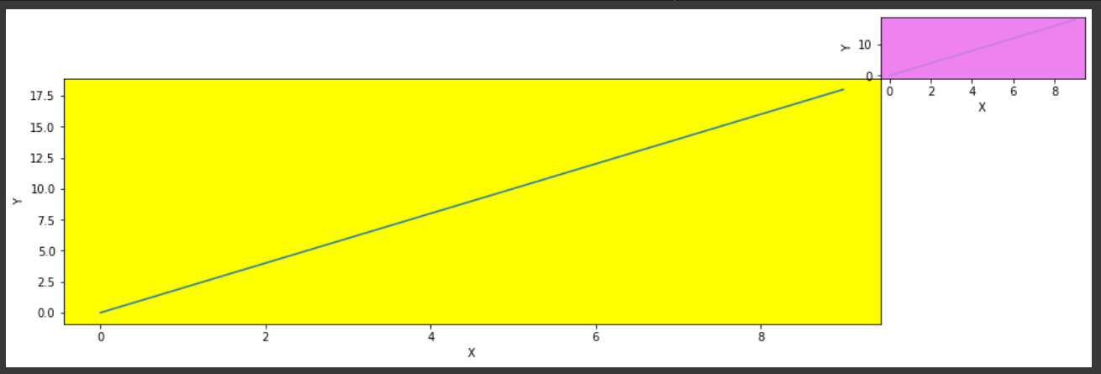
MATPLOTLIB BASICS (Methods &Fig,Axes)

matplotlib.pyplot.savefig's Params | REFERENCE

 | ⇰REFERENCE (Website)-->Matplotlib Regarding matplotlib.pyplot.savefig()

 | ⇰REFERENCE (Website)-->Udemy Regarding Figure Parameters & Saving Figures (Exporting Plot)

IMPORTANT PARAMETER FOR (Savefig)

⇰fname() →str or Path Like or file-like object A path, or a Python file-like object →We're just going to call Fig & then we just provide the name that we want to save it to &it's going to output and render the visualization but also save it. So then if I come back here to Matplotlib Drive, notice that a few seconds ago it will saved this new figure. | ⇰REFERENCE (Website)-->Matplotlib Regarding matplotlib.pyplot.savefig()

 | ⇰REFERENCE (Website)-->Udemy Regarding Figure Parameters & Saving Figures (Exporting Plot)

⇰bbox_inches() str or Bbox, optional →Bbox in inches. Only the given portion of the figure is saved. If 'tight', try to figure out the tight bbox of the figure. If None, use savefig.bbox →Why Do we Need it ? What's actually happening here is there's technically a bounding box around the set of axes and the figure canvas That's why We are not able to See X axis & y axis around Matplotlib plot (x,y). If bbox_inches is tight then We can see X axis & Y axis.

 | ⇰REFERENCE (Website)-->Udemy Regarding Figure Parameters & Saving Figures (Exporting Plot)

 | ⇰REFERENCE (Website)--> Google Colab (1.1 Matplotlib Basics (1.Functional & 2.OOB) Regarding FUNDAMENTAL Parameters & Saving & Exporting Plots
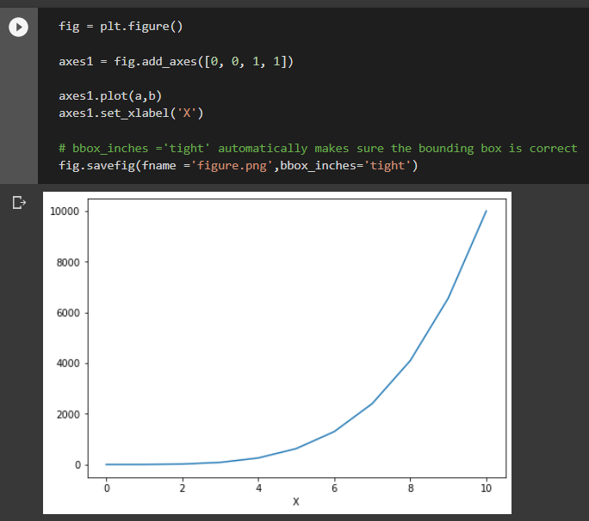 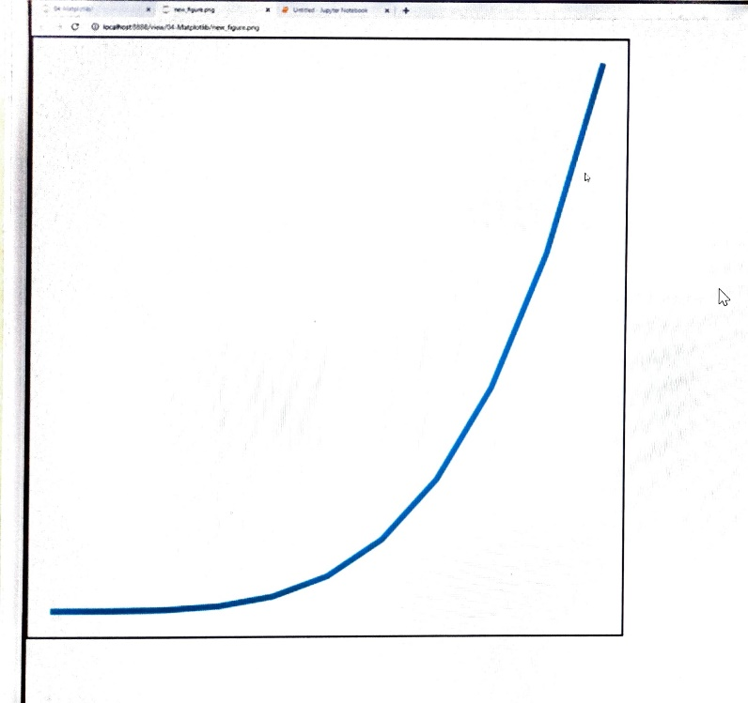

 | ⇰REFERENCE (Website)--> Jupiter (MATOLOTLIIB Save Fig) Regarding Save Fig (Without X axis & Y axis) or Absence of Params (bbox_inches) usage & it's impact while saving Fig

 | ⇰REFERENCE (Website)-->Udemy Regarding Figure Parameters & Saving Figures (Exporting Plot)

OTHER PARAMETERS FOR (Save fig)

⇰dpi (Dots per Inch) →Without Using dpi(params) We see blurry Graph here and We can fix that by editing the DPI or dots per inch.And so what we can do here set it to something much higher than the default, something like 100 and eventually we'll see that it starts to get more and more clear.So if you set this super high, maybe like 200, you'll notice that now it's extremely clear.So that's how you can deal with that is just the DPI setting.Don't set it too high, otherwise it'll take up a lot of RAM to render something with such high resolution on your notebook. → (To Sum it Up) This method returns resolution in dots per inch Higher the Dpi Higher The Resolution Higher The Clarity . Ex -->Pl see Image First One is Hazy But 2nd One With Higher DPI With Higher Resolution is Getting Clear Image. | ⇰REFERENCE (Website)-->Matplotlib Regarding matplotlib.pyplot.savefig()

 | ⇰REFERENCE (Website)-->Udemy Regarding Figure Parameters & Saving Figures (Exporting Plot)

 | ⇰REFERENCE (Website)--> Google Colab (1.1 Matplotlib Basics (1. Functional & 2.OOB Method) Regarding Parameters for Saving Fig (Exporting Fig)

 | ⇰REFERENCE (Website)-->Udemy Regarding Figure Parameters & Saving Figures (Exporting Plot)

⇰facecolor : color spec or None, optional →The facecolor of the figure; if None, defaults to rcParams["savefig.facecolor"] = 'white'.

⇰edgecolor :color spec or None, optional →The edgecolor of the figure; if None, defaults to rcParams["savefig.edgecolor"] = 'white'

⇰orientation : {'landscape', 'portrait'} →Currently only supported by the postscript backend. | ⇰REFERENCE (Website)-->Wikipedia Regarding Hyper Parameter (Orientation ['Landscape' , 'Portrait']

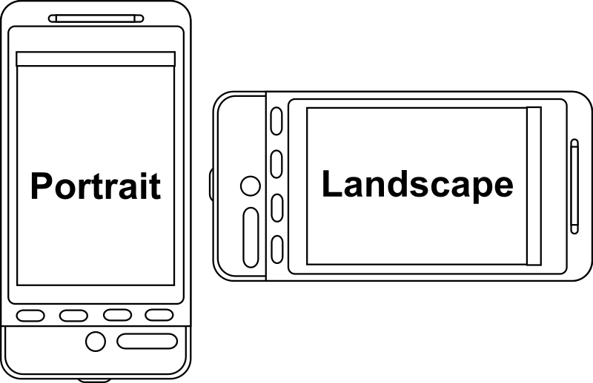

 | ⇰REFERENCE (Website)-->Udemy Regarding Figure Parameters & Saving Figures (Exporting Plot)

⇰transparent : bool →If True, the axes patches will all be transparent; the figure patch will also be transparent unless facecolor and/or edgecolor are specified via kwargs. This is useful, for example, for displaying a plot on top of a colored background on a web page. The transparency of these patches will be restored to their original values upon exit of this function. | ⇰REFERENCE (Website)--> Google Colab (1.1 Matplotlib Basics (1. Functional & 2.OOB Method) Regarding Parameters for Transparent

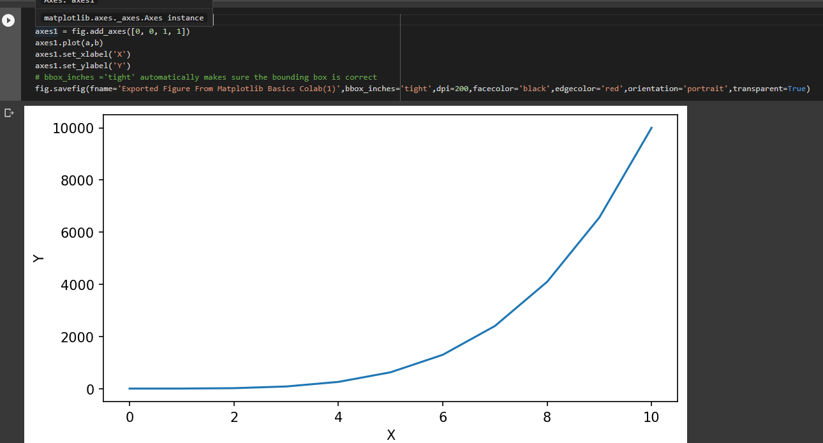

 | ⇰REFERENCE (Website)-->Udemy Regarding Figure Parameters & Saving Figures (Exporting Plot)

⇰alpha : (Range 0 to 1) Change the line opacity in Matplotlib →However, this transparency can be adjusted.Matplotlib allows you to adjust the transparency of a graph plot using the alpha attribute. →By default, alpha=1 If you want to make the graph plot more transparent, then you can make alpha less than 1, such as 0.5 or 0.25.If you want to make the graph plot less transparent, then you can make alpha greater than 1. This solidifies the graph plot, making it less transparent and more thick and dense, so to speak. See Ex Attached & Check out Corner Right Plot ,The Plot is More Translucent Compared to Main Plot | ⇰REFERENCE (Website)--> Python Regarding How to Increase / Decrease Transparency of Matplotlib Plot(x,y)

 | ⇰REFERENCE (Website)--> Google Colab (1.1 Matplotlib Basics (1. Functional & 2.OOB Method) Regarding Parameters for Alpha (0 to 1)

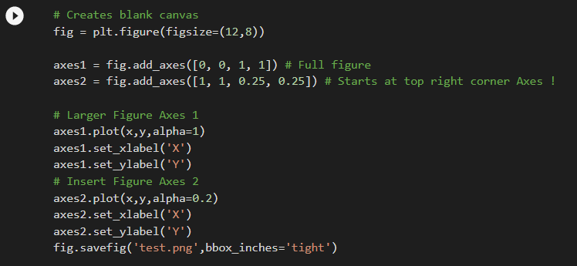

 | ⇰REFERENCE (Website)--> Geeks for Geeks Regarding Changing Line Opacity (From Opaque to Translucent) by Param alpha

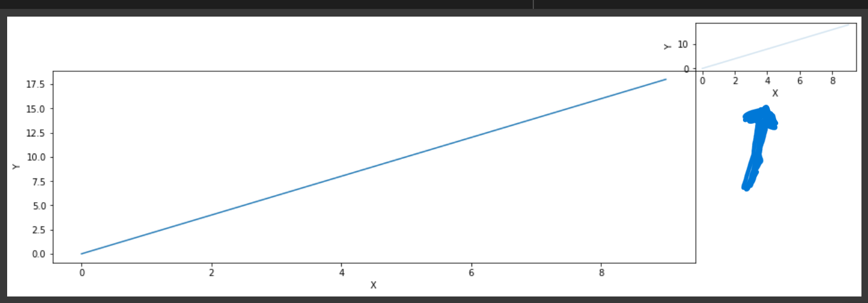
 | ⇰REFERENCE (Website)-->Udemy Regarding Figure Parameters & Saving Figures (Exporting Plot)

⇰set_facecolor("Name of Colour") → Set the facecolor of the Axes.By default, the color of the plot is white. If we have to set the background color of the plot so that our plot looks beautiful, we have to make the axes object, by using axes() attribute after plotting the graph. →In Simpler Words Set attribute set_facecolor() to the required color. This attribute accepts both name or color code of the color. Ex Outer Right Corner Background Turned into Violet While Main Inner Figure Background Turn into Yellow | ⇰REFERENCE (Website)--> Geeks for Geeks Regarding Parameter (set_facecolor)

 | ⇰REFERENCE (Website)-->Matplotlib Regarding Parameter (set_facecolor)

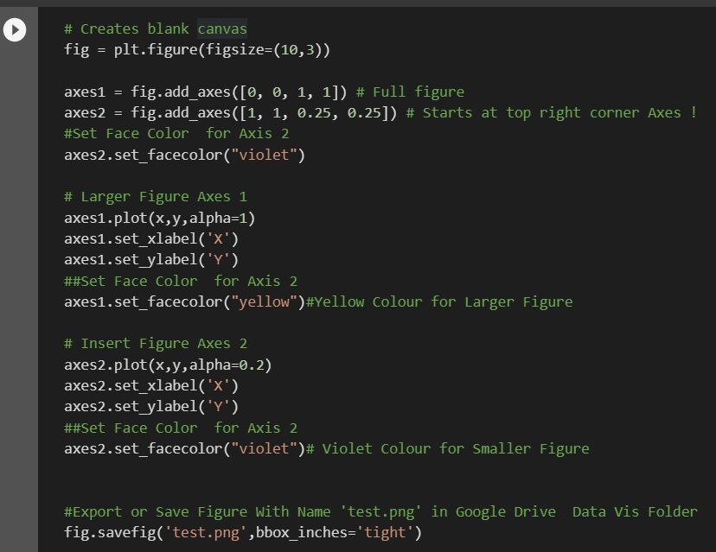 | ⇰REFERENCE (Website)--> Google Colab (1.1 Matplotlib Basics (1. Functional & 2.OOB Method) Regarding How to Set Plot Background Color in Matplotlib by Params set_facecolor

 | ⇰REFERENCE (Website)-->Udemy Regarding Figure Parameters & Saving Figures (Exporting Plot)

